TON
TON
Sidhartha Mohapatra

 |  |  |  | 10 13°Ta40'28'' Mo/Ra |  |  | 9 12°Ar23'06'' Ke/Me |  | 8 11°Pi45'49'' Sa/Mo

 | 11 14°Ge22'33'' Ra/Me |  |  |  |  |  |  |  | Ra | 25°Pi25'07'' Me/Ra-8 |  |  | 7 13°Aq40'08'' Ra/Me
 |  |  |  |  |  |  | Jup | 11°Ar48'15'' Ke/Me-8
 |  |  |  |  |  |  |  |  |  |  |  | Mon | 27°Aq37'03'' Ju/Ve-7
 |  |  |  |  |  |  |  |  |  |  |  | Sat | 10°Aq27'34'' Ra/Sa-6

 |  | 12 14°Cn25'15'' Sa/Ra |  |  |  |  |  |  |  |  |  | 6 14°Cp25'15'' Mo/Ju
 |  |  |  |  |  |  |  | Lapanga, IN
 |  |  |  |  |  |  |  | 15/1/2024 |  |  | Sun | 00°Cp45'43'' Su/Ra-5
 |  |  |  |  |  |  |  | 20:40:00

 |  |  |  |  |  |  |  |  |  |  |  | Mer | 07°Sg29'36'' Ke/Ra-4
 |  |  |  |  |  |  |  |  |  |  |  | Mar | 14°Sg02'41'' Ve/Ve-4

 |  |  |  |  |  |  |  |  | Ven | 26°Sc18'12'' Me/Ju-4 |  |  | 5 14°Sg22'33'' Ve/Ve
 | 1 13°Le40'08'' Ve/Ve |  |  | Ke | 25°Vi25'07'' Ma/Ra-2
 |  |  | 2 11°Vi45'49'' Mo/Ma |  |  |  | 3 12°Li23'06'' Ra/Sa |  |  | 4 13°Sc40'28'' Sa/Ra

 |  |  |  |  |  |  | TON
 |  | HOUSE CUSPS (Topocentric)
 |  | 1 13°Le40'08'' Ve/Ve |  |  | 4 13°Sc40'28'' Sa/Ra |  |  | 7 13°Aq40'08'' Ra/Me |  | 10 13°Ta40'28'' Mo/Ra
 |  | 2 11°Vi45'49'' Mo/Ma |  |  | 5 14°Sg22'33'' Ve/Ve |  |  | 8 11°Pi45'49'' Sa/Mo |  | 11 14°Ge22'33'' Ra/Me
 |  | 3 12°Li23'06'' Ra/Sa |  |  | 6 14°Cp25'15'' Mo/Ju |  |  | 9 12°Ar23'06'' Ke/Me |  | 12 14°Cn25'15'' Sa/Ra

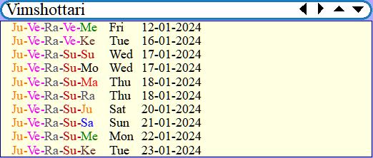
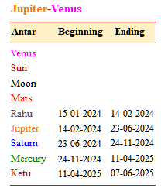
 |  | CHART POINTS
 |  | Point | Longitude
 |  | Mon | 27°Aq37'03'' Ju/Ve |  | 7,12 | 121, 27, 35, 46, 524, 618, 72, 817, 1012, 121
 |  | Sun | 00°Cp45'43'' Su/Ra |  | 5,1 | 14, 39, 412, 511, 79, 817, 1012, 119, 1212
 |  | Mer | 07°Sg29'36'' Ke/Ra |  | 4,2,11 | 28, 39, 418, 55, 719, 817, 918, 1012, 1123, 1212
 |  | Ven | 26°Sc18'12'' Me/Ju |  | 4,3,10 | 117, 23, 31, 46, 522, 612, 711, 811, 911, 101, 1114
 |  | Mar | 14°Sg02'41'' Ve/Ve |  | 4,4,9 | 140, 210, 38, 413, 540, 91, 108
 |  | Jup | 11°Ar48'15'' Ke/Me |  | 8,5,8 | 212, 410, 51, 610, 712, 83, 920, 1120
 |  | Sat | 10°Aq27'34'' Ra/Sa |  | 6,6,7 | 330, 427, 53, 614, 714, 827, 1011, 118, 1227
 |  | Ra | 25°Pi25'07'' Me/Ra |  | 8,8,5,8 | 23, 316, 426, 56, 727, 822, 911, 1022, 1130, 1222
 |  | Ke | 25°Vi25'07'' Ma/Ra |  | 4,2,2,11 | 214, 39, 421, 55, 79, 817, 910, 1012, 1110, 1212

PYTH
PYTH
Sidhartha Mohapatra

 |  | 3 24°Ta16'04''Ma/Ra |  |  |  | 2 27°Ar18'39''Su/Su |  | 1 24°Pi25'50''Me/Ra
 |  | Mon | 01°Ta03'41''Su/Ra-2
 | 4 19°Ge09'02''Ra/Mo |  |  |  |  | Jup | 12°Ar04'51''Ke/Me-1 | Ra | 25°Pi19'58''Me/Ra-1
 |  |  |  |  |  |  |  |  |  |  | 12 17°Aq02'45''Ra/Ve

 |  |  |  |  |  |  |  |  |  | Sat | 10°Aq56'29''Ra/Sa-11

 | 5 15°Cn36'55''Sa/Ju
 |  |  |  |  |  | Bhubaneswar
 |  |  |  |  |  | 10:48:15 |  |  |  | Sun | 05°Cp26'05''Su/Me-10
 |  |  |  |  |  | 20/01/2024
 |  |  |  |  |  |  |  |  |  |  | 11 15°Cp36'55''Mo/Ju
 | 6 17°Le02'45''Ve/Mo
 |  |  |  |  |  |  |  |  |  | Mer | 13°Sg04'24''Ke/Me-9
 |  |  |  |  |  |  |  |  |  | Ven | 01°Sg56'18''Ke/Ve-9
 |  |  |  |  |  |  |  |  |  | Mar | 17°Sg30'04''Ve/Ma-9

 |  |  |  |  |  |  |  |  |  |  | 10 19°Sg09'02''Ve/Ra
 |  |  | Ke | 25°Vi19'58''Ma/Ra-7

 |  | 7 24°Vi25'50''Ma/Ra |  |  |  | 8 27°Li18'39''Ju/Ve |  | 9 24°Sc16'04''Me/Ra

 | *** CHART ANALYSIS REPORT ***
 |  |  |  |  | PYTH
 | PYTH NETWORK - Horary Chart

 | Geocentric latitude used: 20°N06'29''
 | HOUSE CUSPS (Topocentric)
 | 1 24°Pi25'50''Me/Ra |  |  | 4 19°Ge09'02''Ra/Mo |  |  | 7 24°Vi25'50''Ma/Ra |  | 10 19°Sg09'02''Ve/Ra
 | 2 27°Ar18'39''Su/Su |  |  | 5 15°Cn36'55''Sa/Ju |  |  | 8 27°Li18'39''Ju/Ve |  | 11 15°Cp36'55''Mo/Ju
 | 3 24°Ta16'04''Ma/Ra |  |  | 6 17°Le02'45''Ve/Mo |  |  | 9 24°Sc16'04''Me/Ra |  | 12 17°Aq02'45''Ra/Ve

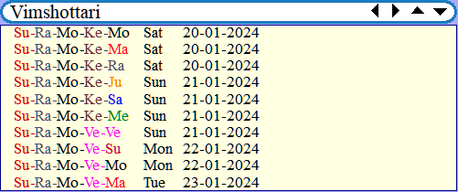
 | CHART POINTS |  |  |  | PYTH
 | Point | Longitude
 | Mon | 01°Ta03'41''Su/Ra |  | 2,5 | 129, 221, 312, 419, 51, 613, 712, 912, 1021, 117, 129
 | Sun | 05°Cp26'05''Su/Me |  | 10,6 | 19, 236, 45, 64, 75, 915, 106
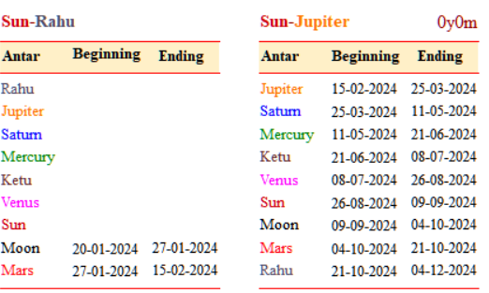
 | Mer | 13°Sg04'24''Ke/Me |  | 9,4,7 | 116, 49, 713, 928
 | Ven | 01°Sg56'18''Ke/Ve |  | 9,3,8 | 36, 43, 616, 77, 828, 912, 1016, 1222
 | Mar | 17°Sg30'04''Ve/Ma |  | 9,2,9 | 26, 319, 68, 716, 814, 918, 108, 1211
 | Jup | 12°Ar04'51''Ke/Me |  | 1,1,10 | 112, 48, 510, 712, 87, 919, 101, 1110
 | Sat | 10°Aq56'29''Ra/Sa |  | 11,11,12 | 122, 311, 48, 516, 711, 911, 1014, 1114, 1214
 | Ke | 25°Vi19'58''Ma/Ra |  | 9,7,4,7 | 129, 23, 320, 410, 723, 921, 1017, 129
 | Ra | 25°Pi19'58''Me/Ra |  | 1,1,1,10 | 152, 322, 419, 725, 934, 1028, 1216

YGG
Will it be beneficial and profitable for me to invest money in Yield Guild Games(YGG) cryptocurrency?
Sidhartha Mohapatra

 |  | 2 13°Ta06'54''Mo/Ra |  |  |  | 1 13°Ar23'21''Ve/Ve |  | 12 05°Pi46'32''Sa/Me
 |  | Mon | 01°Ta37'38''Su/Ju-1
 |  |  |  |  |  | Jup | 12°Ar05'02''Ke/Me-12 | Ra | 25°Pi19'49''Me/Ra-12
 | 3 08°Ge33'45''Ra/ra |  |  |  |  |  |  |  |  |  | 11 01°Aq56'57''Ma/Ke
 |  |  |  |  |  |  |  |  |  | Sat | 10°Aq56'46''Ra/Sa-11

 | 4 03°Cn41'38''Sa/Sa |  |  |  |  |  |  |  |  |  | 10 03°Cp41'38''Su/Sa
 |  |  |  |  |  | Bhuabneswar
 |  |  |  |  |  | 11:50:00 |  |  |  | Sun | 05°Cp28'42''Su/Me-10
 |  |  |  |  |  | 20/01/2024

 | 5 01°Le56'57''Ke/Ve
 |  |  |  |  |  |  |  |  |  | Mer | 13°Sg07'42''Ke/Me-9
 |  |  |  |  |  |  |  |  |  | Ven | 01°Sg59'28''Ke/Ve-8
 |  |  |  |  |  |  |  |  |  | Mar | 17°Sg32'01''Ve/Ma-9
 |  |  |  |  |  |  |  |  |  |  | 9 08°Sg33'45''Ke/Ju

 |  |  | Ke | 25°Vi19'49''Ma/ra-6

 |  | 6 05°Vi46'32''Su/Me |  |  |  | 7 13°Li23'21''Ra/Me |  | 8 13°Sc06'54''Sa/Ra

 | *** CHART ANALYSIS REPORT ***

 | Yield Guild Games(YGG) Crypto - Horary Chart

 | Geocentric latitude used: 20°N06'29'' |  |  |  |  | YGG

 | HOUSE CUSPS (Topocentric)
 | 1 13°Ar23'21''Ve/Ve |  |  | 4 03°Cn41'38''Sa/Sa |  |  | 7 13°Li23'21''Ra/Me |  | 10 03°Cp41'38''Su/Sa
 | 2 13°Ta06'54''Mo/Ra |  |  | 5 01°Le56'57''Ke/Ve |  |  | 8 13°Sc06'54''Sa/Ra |  | 11 01°Aq56'57''Ma/Ke
 | 3 08°Ge33'45''Ra/ra |  |  | 6 05°Vi46'32''Su/Me |  |  | 9 08°Sg33'45''Ke/Ju |  | 12 05°Pi46'32''Sa/Me

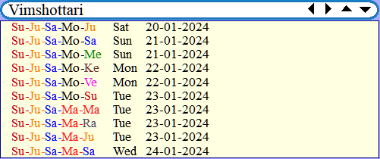
 | CHART POINTS
 | Point | Longitude
 | Mon | 01°Ta37'38''Su/Ju |  | 1,4 | 12, 27, 41, 53, 68, 917, 1012, 1211
 | Sun | 05°Cp28'42''Su/Me |  | 10,5 | 35, 54, 632, 712, 96, 1021, 1212
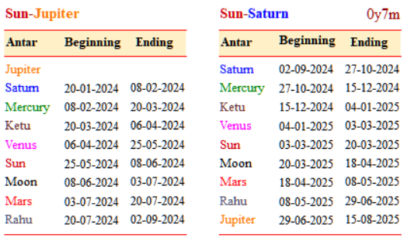
 | Mer | 13°Sg07'42''Ke/Me |  | 9,3,6 | 39, 58, 635, 722, 920, 1111, 1222
 | Ven | 01°Sg59'28''Ke/Ve |  | 8,2,7 | 138, 26, 33, 530, 67, 76, 88, 912, 1111
 | Mar | 17°Sg32'01''Ve/Ma |  | 9,1,8 | 125, 23, 511, 73, 810, 98, 1116
 | Jup | 12°Ar05'02''Ke/Me |  | 12,9,12 | 38, 58, 624, 712, 929, 1111, 1215
 | Sat | 10°Aq56'46''Ra/Sa |  | 11,10,11 | 211, 319, 438, 78, 827, 93, 1028, 1114, 1227
 | Ra | 25°Pi19'49''Me/Ra |  | 12,12,9,12 | 222, 341, 614, 727, 822, 910, 1233
 | Ke | 25°Vi19'49''Ma/ra |  | 9,6,3,6 | 13, 212, 322, 57, 63, 79, 815, 918, 1118, 1217

 | *** END REPORT ***

FIO
Will it be beneficial and profitable for me to invest in FIO protocol cryptocurrency?
Sidhartha Mohapatra

 |  |  | 1 09°Ta12'42'' Su/Ve |  |  |  | 12 03°Ar50'10'' Ke/Mo
 | 2 05°Ge17'52'' Ma/Su |  |  | Mon | 02°Ta28'54'' Su/Ju-12 |  |  |  | Ra | 25°Pi19'35'' Me/Ra-11
 |  |  |  |  |  |  | Jup | 12°Ar05'18'' Ke/Me-12 |  |  |  |  | 11 28°Aq11'13'' Ju/Ve

 |  |  |  |  |  |  |  |  |  |  |  | Sat | 10°Aq57'11'' Ra/Sa-10

 |  | 3 00°Cn00'18'' Ju/Mo |  |  |  |  |  |  |  |  |  | 10 26°Cp47'24'' Ma/Ju
 |  |  |  |  |  |  |  | Bhubaneswar, IN
 |  |  |  |  |  |  |  | 20/1/2024 |  |  | Sun | 05°Cp32'40'' Su/Me-9
 |  |  |  |  |  |  |  | 13:23:20
 |  | 4 26°Cn47'24'' Me/Ju |  |  |  |  |  |  |  |  |  | 9 00°Cp00'18'' Su/Ra

 |  |  |  |  |  |  |  |  |  |  | Mer | 13°Sg12'41'' Ke/Me-8
 |  |  |  |  |  |  |  |  |  |  | Ven | 02°Sg04'14'' Ke/Ve-7
 |  |  |  |  |  |  |  |  |  |  | Mar | 17°Sg34'57'' Ve/Ma-8

 | 5 28°Le11'13'' Su/Mo |  |  |  |  |  |  |  |  |  |  |  | 8 05°Sg17'52'' Ke/Ma
 |  |  | Ke | 25°Vi19'35'' Ma/Ra-5
 |  |  |  |  |  |  | 6 03°Li50'10'' Ma/Ve |  | 7 09°Sc12'42'' Sa/Ve

 |  |  |  |  |  | FIO

 |  | HOUSE CUSPS (Topocentric)
 |  | 1 09°Ta12'42'' Su/Ve |  |  | 4 26°Cn47'24'' Me/Ju |  |  | 7 09°Sc12'42'' Sa/Ve |  | 10 26°Cp47'24'' Ma/Ju
 |  | 2 05°Ge17'52'' Ma/Su |  |  | 5 28°Le11'13'' Su/Mo |  |  | 8 05°Sg17'52'' Ke/Ma |  | 11 28°Aq11'13'' Ju/Ve
 |  | 3 00°Cn00'18'' Ju/Mo |  |  | 6 03°Li50'10'' Ma/Ve |  |  | 9 00°Cp00'18'' Su/Ra |  | 12 03°Ar50'10'' Ke/Mo

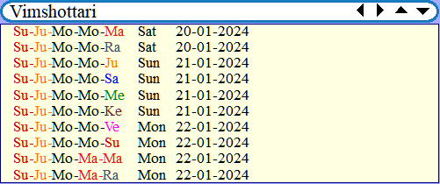
 |  | CHART POINTS |  |  |  | FIO
 |  | Point | Longitude
 |  | Mon | 02°Ta28'54'' Su/Ju |  | 12,3,4 | 18, 211, 320, 413, 521, 85, 912, 1012, 1114, 1218
 |  | Sun | 05°Cp32'40'' Su/Me |  | 9,5 | 115, 226, 49, 524, 86, 921
 |  | Mer | 13°Sg12'41'' Ke/Me |  | 8,2,5 | 29, 416, 513, 820, 128
 |  | Ven | 02°Sg04'14'' Ke/Ve |  | 7,1,6 | 128, 23, 57, 628, 730, 812, 1122, 128
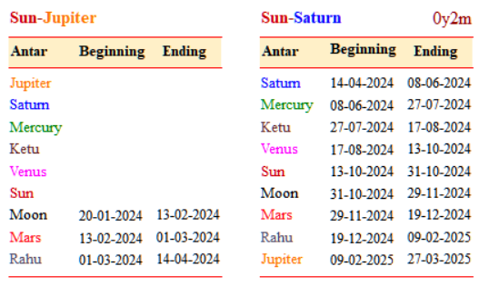
 |  | Mar | 17°Sg34'57'' Ve/Ma |  | 8,7,12 | 114, 216, 630, 721, 830, 1016, 1111, 126
 |  | Jup | 12°Ar05'18'' Ke/Me |  | 12,8,11 | 28, 37, 419, 512, 819, 1010, 118, 1210
 |  | Sat | 10°Aq57'11'' Ra/Sa |  | 10,9,10,11 | 716, 83, 919, 1014, 1113, 124
 |  | Ra | 25°Pi19'35'' Me/Ra |  | 12,11,8,11 | 23, 48, 53, 810, 922, 1114, 128
 |  | Ke | 25°Vi19'35'' Ma/Ra |  | 8,5,2,5 | 29, 53, 68, 73, 829, 912, 108, 1111, 1216

MANTA
Will it be beneficial and profitable for me to invest in MANTA Network cryptocurrency?
Sidhartha Mohapatra

 |  | 11 04°Ta48'06''Su/sa |  |  |  | 10 01°Ar56'37''Ke/Ve |  | Ra | 25°Pi18'54''Me/Ra-9
 |  | Mon | 04°Ta42'00''Su/Sa-10
 | 12 06°Ge05'33''Ma/Mo |  |  |  |  | Jup | 12°Ar05'59''Ke/Me-10 |  |  |  | 9 29°Aq50'43''Ju/Mo

 |  |  |  |  |  |  |  |  |  | Sat | 10°Aq58'16''Ra/Sa-8

 |  |  |  |  |  |  |  |  |  |  | 8 01°Aq01'47''Ma/Me
 | 1 05°Cn36'34''Sa/Me
 |  |  |  |  |  | Bhubaneswar
 |  |  |  |  |  | 5:26:08PM |  |  |  | Sun | 05°Cp42'57''Su/Me-7
 |  |  |  |  |  | 20/01/2024
 |  |  |  |  |  |  |  |  |  |  | 7 05°Cp36'34''Su/Me
 | 2 01°Le01'47''Ke/Ve
 |  |  |  |  |  |  |  |  |  | Mer | 13°Sg25'41''Ve/Ve-6
 |  |  |  |  |  |  |  |  |  | Ven | 02°Sg16'40''Ke/Ve-5
 |  |  |  |  |  |  |  |  |  | Mar | 17°Sg42'35''Ve/Ma-6

 | 3 29°Le50'43''Su/Ra |  |  |  |  |  |  |  |  |  | 6 06°Sg05'33''Ke/Ra

 |  | Ke | 25°Vi18'54''Ma/Ra-3
 |  |  |  |  |  | 4 01°Li56'37''Ma/Ke |  | 5 04°Sc48'06''Sa/Sa

 | *** CHART ANALYSIS REPORT ***

 | MANTA Crypto - Horary Chart

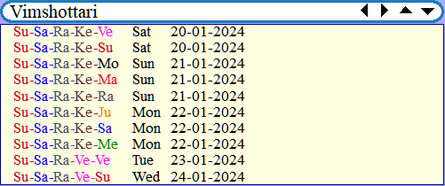
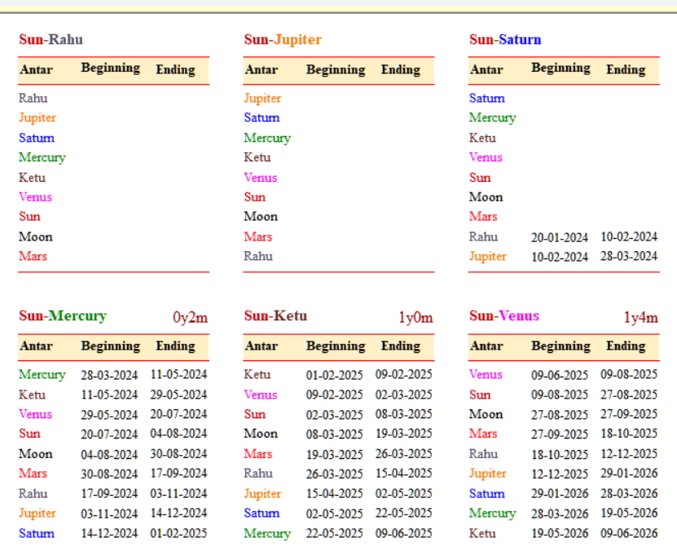
 | Geocentric latitude used: 20°N06'29''
 | HOUSE CUSPS (Topocentric)
 | 1 05°Cn36'34''Sa/Me |  |  | 4 01°Li56'37''Ma/Ke |  |  | 7 05°Cp36'34''Su/Me |  | 10 01°Ar56'37''Ke/Ve
 | 2 01°Le01'47''Ke/Ve |  |  | 5 04°Sc48'06''Sa/Sa |  |  | 8 01°Aq01'47''Ma/Me |  | 11 04°Ta48'06''Su/sa
 | 3 29°Le50'43''Su/Ra |  |  | 6 06°Sg05'33''Ke/Ra |  |  | 9 29°Aq50'43''Ju/Mo |  | 12 06°Ge05'33''Ma/Mo

 | CHART POINTS |  |  |  | MANTA
 | Point | Longitude
 | Mon | 04°Ta42'00''Su/Sa |  | 10,1 | 110, 23, 311, 521, 718, 811, 915, 102, 1120, 1210
 | Sun | 05°Cp42'57''Su/Me |  | 7,2,3 | 112, 24, 324, 66, 733, 812, 1115, 125
 | Mer | 13°Sg25'41''Ve/Ve |  | 6,12,3 | 110, 223, 31, 48, 510, 62, 710, 810, 1023, 118, 121
 | Ven | 02°Sg16'40''Ke/Ve |  | 5,11,4 | 230, 37, 417, 58, 612, 1030, 116, 123
 | Mar | 17°Sg42'35''Ve/Ma |  | 6,5,10 | 211, 419, 510, 68, 816, 1017, 113, 1216
 | Jup | 12°Ar05'59''Ke/Me |  | 10,6,9 | 112, 28, 312, 411, 619, 712, 812, 98, 1010, 128
 | Sat | 10°Aq58'16''Ra/Sa |  | 8,7,8,9 | 116, 311, 538, 614, 78, 814, 913, 104, 1122
 | Ra | 25°Pi18'54''Me/Ra |  | 10,9,6,9 | 111, 325, 632, 711, 811, 914, 108, 123
 | Ke | 25°Vi18'54''Ma/Ra |  | 6,3,3,12 | 27, 315, 418, 53, 630, 88, 911, 1016, 129

 | *** END REPORT ***

